CNSWFL
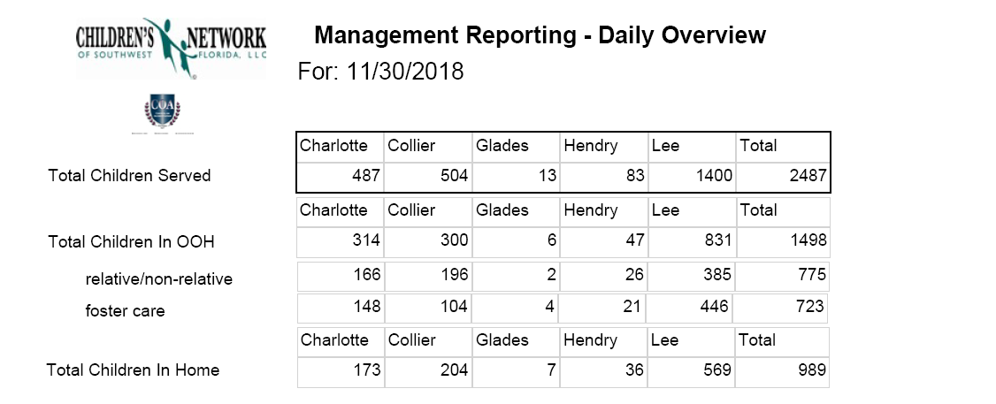

Children Served
Circuit 20 Children Served: Trend
 | Jul-15 | Jul-16 | Sep-17 | Sep-18 | Jul-17 |  | Jul-17 | Jul-18 | Nov-18
Circuit 20 Total | 1909 | 2095 | 2360 | 2492 | 2399 | Circuit 20 Total | 2399 | 2472 | 2487
Circuit 20 Foster Care | 621 | 683 | 723 | 738 | 714 | Circuit 20 Foster Care | 714 | 726 | 723
Circuit 20 Rel/Non-Relative | 622 | 715 | 844 | 751 | 832 | Circuit 20 Rel/Non-Relative | 832 | 779 | 775
Circuit 20 In-Home | 666 | 697 | 793 | 1003 | 853 | Circuit 20 In-Home | 853 | 967 | 989

 | Jul-15 | Jul-16 | Sep-17 | Sep-18 | Jul-17 |  | Jul-17 | Jul-18 | Nov-18
Lee Total | 1167 | 1260 | 1326 | 1420 | 1379 | Lee Total | 1379 | 1405 | 1400
Lee Foster Care | 379 | 409 | 459 | 454 | 475 | Lee Foster Care | 475 | 457 | 446
Lee Rel/Non-Relative | 366 | 419 | 441 | 380 | 439 | Lee Rel/Non-Relative | 439 | 399 | 385
Lee In Home | 422 | 432 | 426 | 586 | 465 | Lee In Home | 465 | 549 | 569

Lee County Children Served: Trend

Workforce
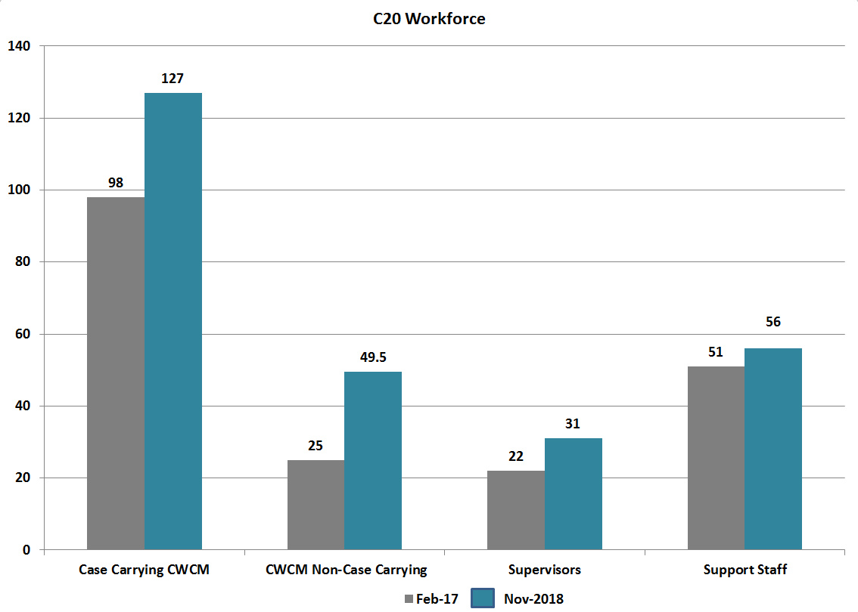

Foster Homes
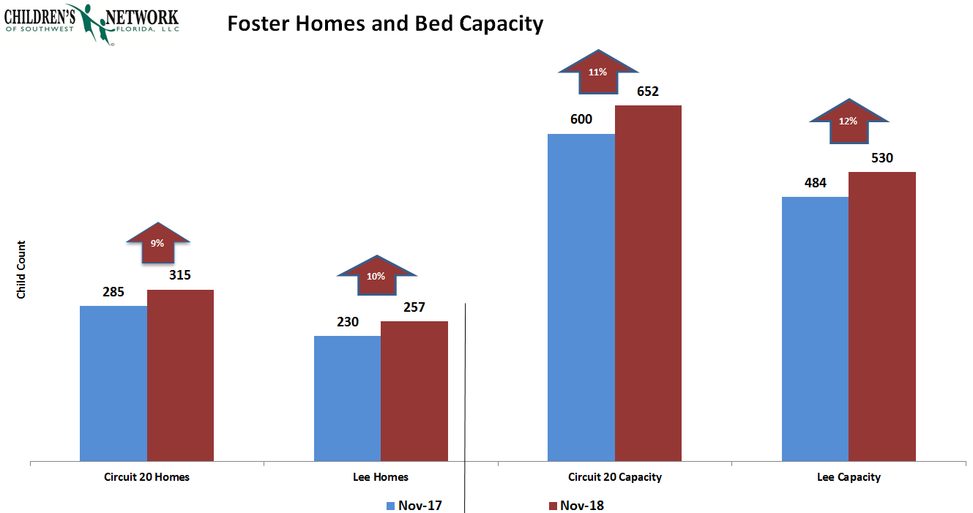

Adoptions
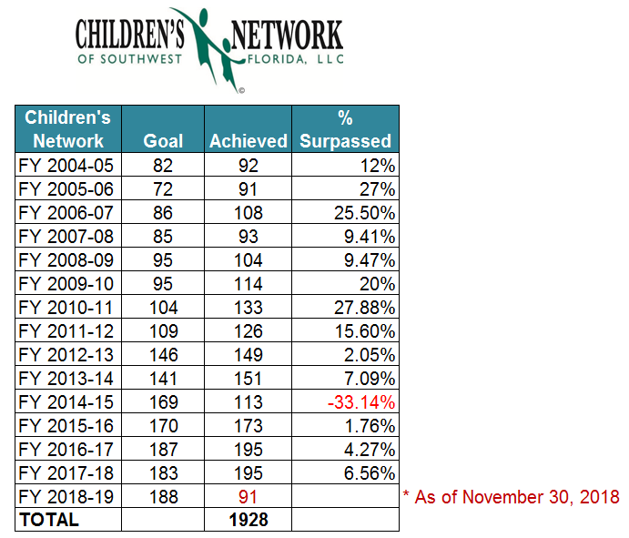

Entries-Exits
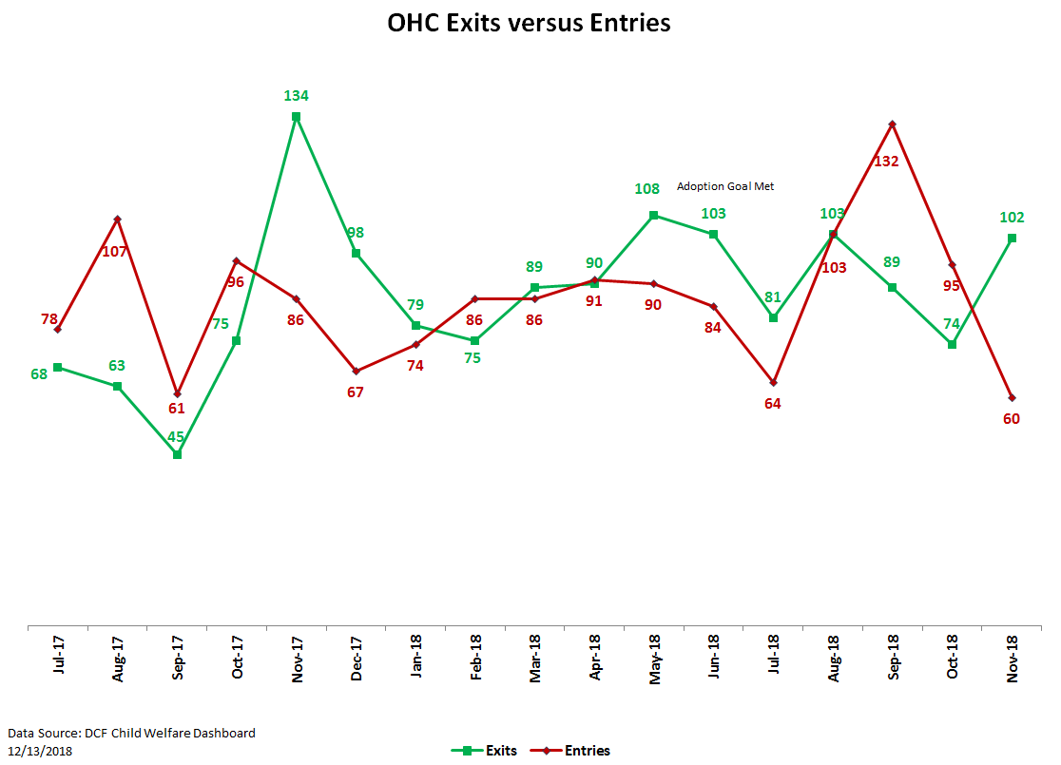

Scorecard
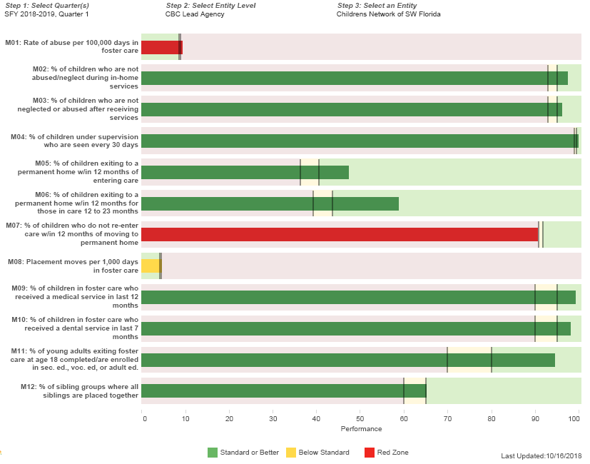
Quarter 1 2018-19 Performance

TOPS
TOPS
 | 2017 | 2018
C20 Youth Count | 478 | 479
Lee Youth Count | 201 | 252
C20 Clubs | 22 | 19
Lee Clubs | 7 | 10

